Copy of 2017 Geometry
2017 Geometry
Question description | Question | Solution | Score and Description | Sample Responses | Incorrect answer - Student Response | Grade | Year | Block | Type | Difficulty | Percentage | Item Performance
Identify a verbal description of a rotation of a figure in the xy-plane | 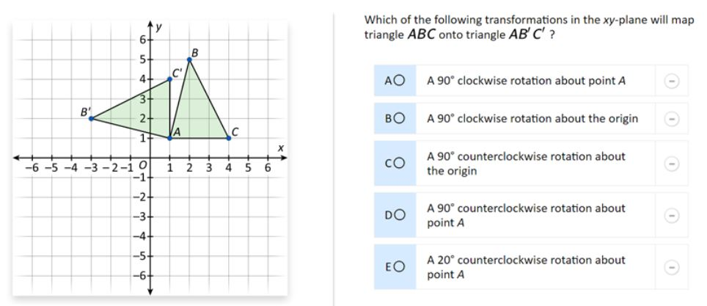 | The correct answer is: D. A 90° counterclockwise rotation about point A |  |  |  | 8 | 2017 | 8M3 | MC (Multiple Choice) | Hard | A: 30% B: 9% C: 14% D: 37% (correct) E: 9% Omitted: 1%

Identify characteristics of lines and angles in a plane | 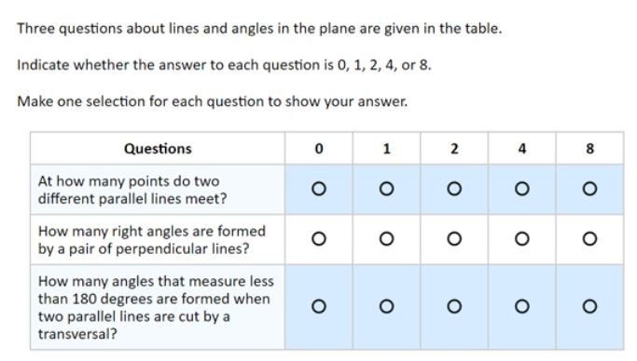 | 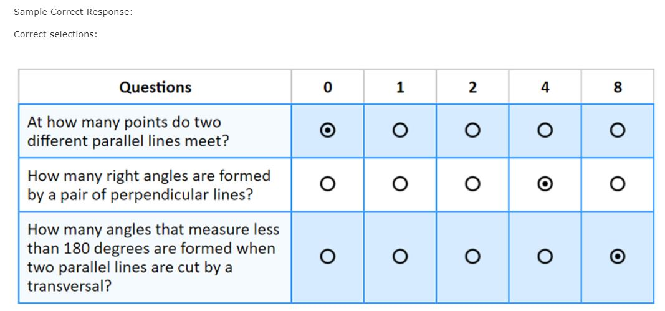 | Correct: Three correct selections Partial: Two correct selections | No student responses are available for this question. | Incorrect: Fewer than two correct selections | 8 | 2017 | 8M3 | SR (Selected Response) | Hard | Correct: 13% Incorrect: 59% Partial: 27% Omitted: 1% Off task: rounds to zero

Identify which figures are composites of two given shapes | 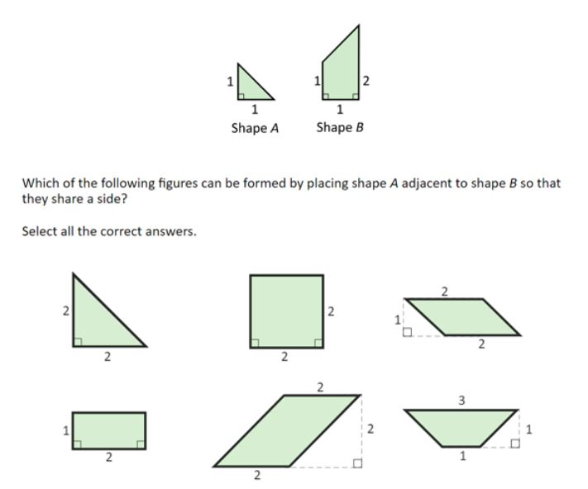 | 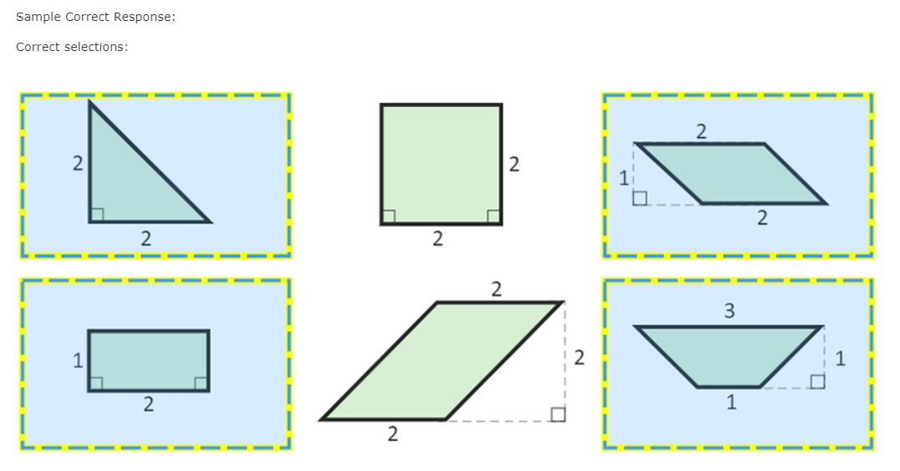 | Correct: Four correct selections and no incorrect selections Partial 1: Four correct selections and one incorrect selection Partial 2: Three correct selections and no incorrect selections | No student responses are available for this question. | Incorrect: Four correct selections and more than one incorrect selection Or Fewer than four correct selections and one or more incorrect selections Or Fewer than three correct selections | 8 | 2017 | 8M3 | SR (Selected Response) | Hard | Correct: 7% Incorrect: 83% Partial 1: 1% Partial 2: 9% Omitted: 1% Off task: rounds to zero

Create an expression for the area of a regular polygon using a conjecture | 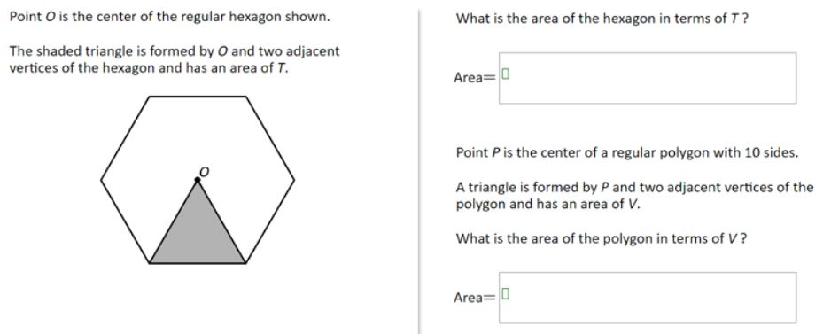 | Sample Correct Response: (a) Answer: Area = 6T (b) Answer: Area = 10V | Correct: Both parts correct Partial 1: Part (a) correct only Partial 2: Part (b) correct only | Correct - Student Response 1: What is the area of the hexagon in terms of T? Area= 6T Point P is the center of a regular polygon with 10 sides. A triangle is formed by P and two adjacent vertices of the polygon and has an area of V. What is the area of the polygon in terms of V? Area= 10V Correct - Student Response 2: What is the area of the hexagon in terms of T? Area= 6T Point P is the center of a regular polygon with 10 sides. A triangle is formed by P and two adjacent vertices of the polygon and has an area of V. What is the area of the polygon in terms of V? Area= 10V These correct responses each include a formula of A = 6T for the area of the hexagon for part (a) and a formula of A = 10V for the area of the 10-gon for part (b). Partial 1 - Student Response 1: What is the area of the hexagon in terms of T? Area= 6T Point P is the center of a regular polygon with 10 sides. A triangle is formed by P and two adjacent vertices of the polygon and has an area of V. What is the area of the polygon in terms of V? Area= 10V Partial 1 - Student Response 2: What is the area of the hexagon in terms of T? Area= 6 x t Point P is the center of a regular polygon with 10 sides. A triangle is formed by P and two adjacent vertices of the polygon and has an area of V. What is the area of the polygon in terms of V? Area= v x p These partially correct responses (partial 1) each include a formula of A = 6T for the area of the hexagon for part (a) but do not include a formula of A = 10V for the area of the 10-gon for part (b). Partial 2 - Student Response 1: What is the area of the hexagon in terms of T? Area= 3 adjacent Point P is the center of a regular polygon with 10 sides. A triangle is formed by P and two adjacent vertices of the polygon and has an area of V. What is the area of the polygon in terms of V? Area= 10v Partial 2 - Student Response 2: What is the area of the hexagon in terms of T? Area= 5t Point P is the center of a regula | Incorrect: Incorrect response Incorrect - Student Response 1: What is the area of the hexagon in terms of T? Area= 1/6 of regular hexagon is T Point P is the center of a regular polygon with 10 sides. A triangle is formed by P and two adjacent vertices of the polygon and has an area of V. What is the area of the polygon in terms of V? Area= 1/10 of Polygon P is area of V | 8 | 2017 | 8M3 | SR (Selected Response) | Hard | Correct: 10% Incorrect: 84% Partial 1: 4% Partial 2: 1% Omitted: rounds to zero Off task: 2%

Use similarity to compute perimeter of a triangle (calculator available) | 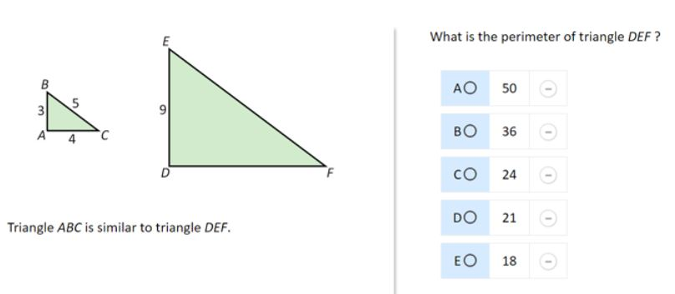 | The correct answer is: B. 36 |  |  |  | 8 | 2017 | 8M3 | SCR (Short Constructed Response) | Hard | A: 11% B: 62% (correct) C: 11% D: 7% E: 7% Omitted: 1%

Identify a solid from a description of its faces (calculator available) | 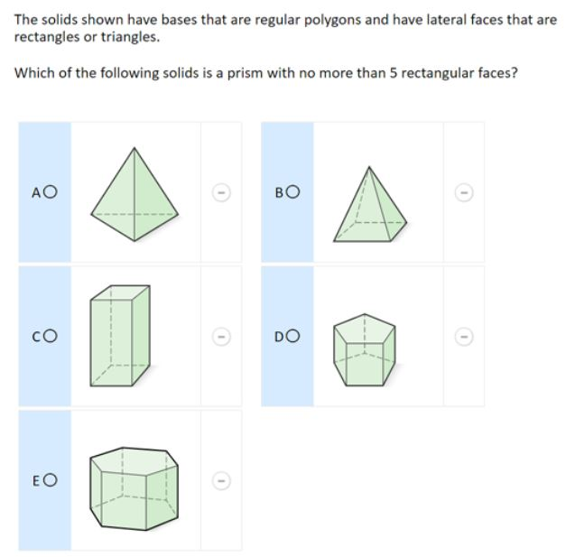 | 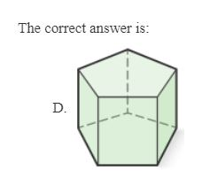 |  |  |  | 8 | 2017 | 8M9 | MC (Multiple Choice) | Easy | A: 15% B: 32% C: 12% D: 35% (correct) E: 6% Omitted: rounds to zero

Use properties of intersecting lines to solve a problem (calculator available) | 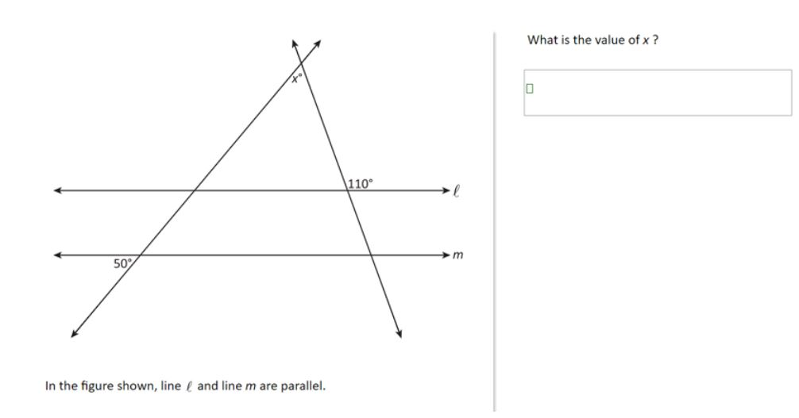 | Sample Correct Response: Answer: 60 | Correct: Answer of 60 | Correct - Student Response 1: What is the value of x ? 60 What is the value of x ? 60° These correct responses each indicate that the value of x is 60. | Incorrect 1: Answer of 20 Incorrect 2: Other incorrect responses Incorrect 1 - Student Response 1: What is the value of x ? 20 Incorrect 1 - Student Response 2: What is the value of x ? 60° These incorrect responses (incorrect 1) each indicate that the value of x is 20. Incorrect 2 - Student Response 1: What is the value of x ? thw calue of x is160° Incorrect 2 - Student Response 2: What is the value of x ? x = 44° These incorrect responses (incorrect 2) each indicate values of x other than 60 or 20. | 8 | 2017 | 8M9 | MC (Multiple Choice) | Hard | Correct: 19% Incorrect 1: 8% Incorrect 2: 68% Omitted: 4% Off task: rounds to zero

